Sheet1
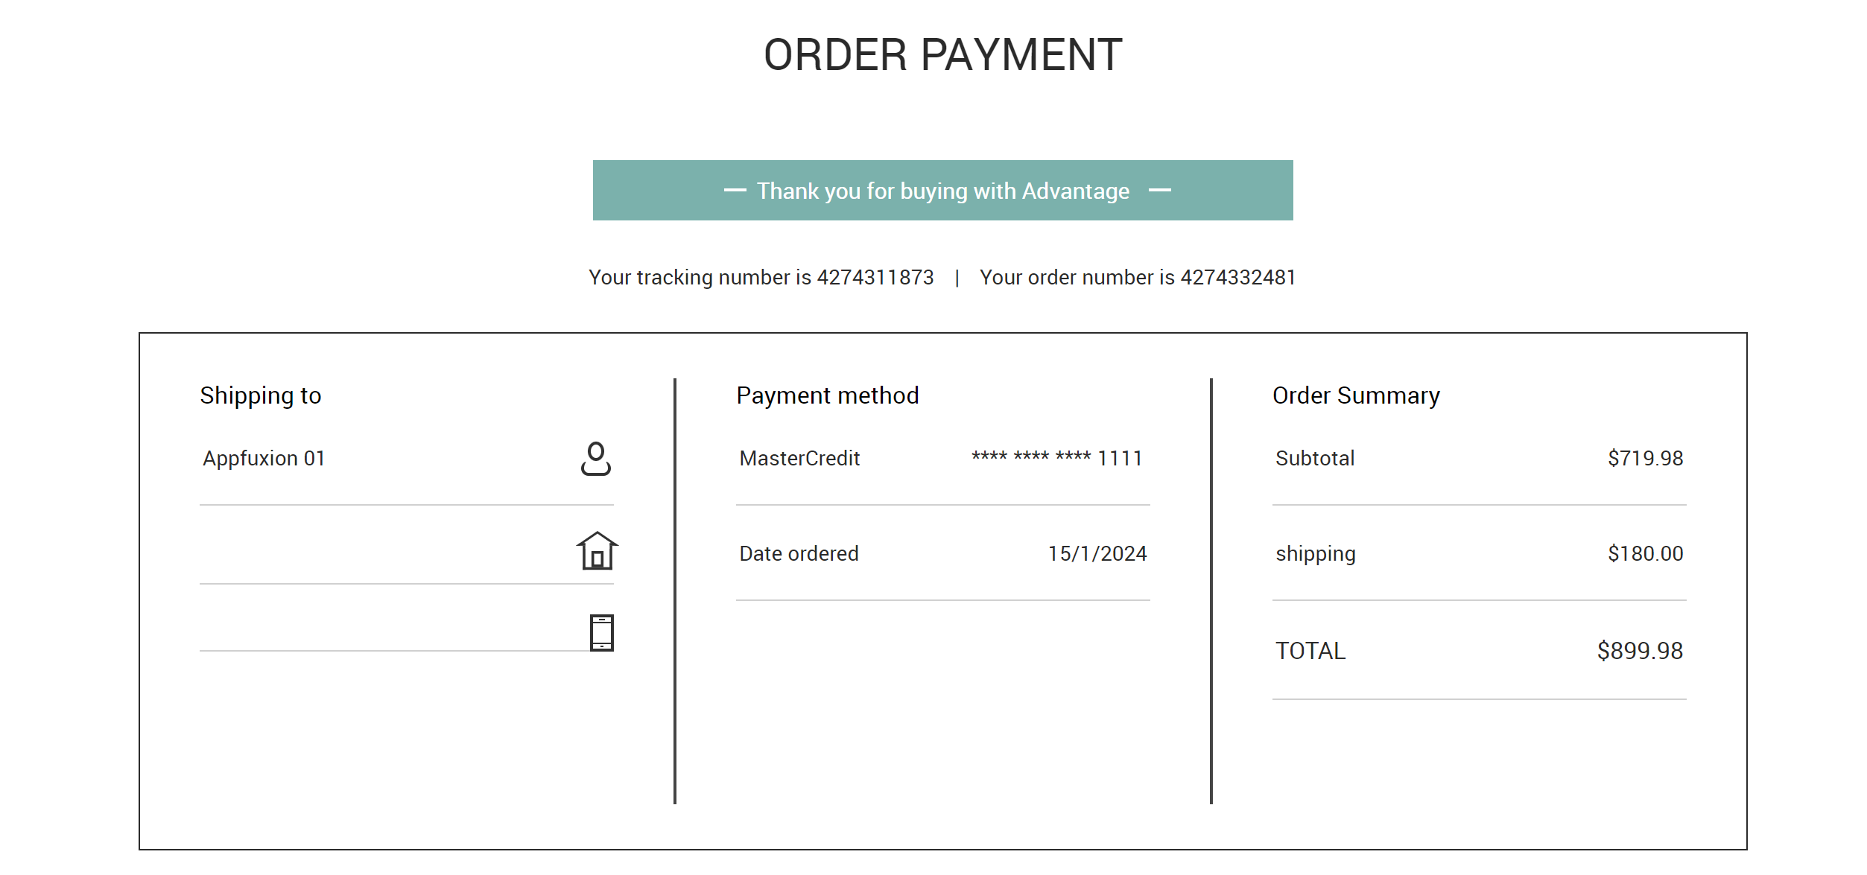
Assignment
 | URL: | https://advantageonlineshopping.com/#/ |  |  |  |  |  | SLA
 |  |  |  |  |  |  |  | Transaction response time | < 3 seconds
 | Think time | random 1 to 2 seconds for each step |  |  |  |  |  | Error rate | < 1%
 | Pacing | 5 seconds
 | ramp-up - | 1 user 1 second |  |  |  |  | 1 | Write a high level executive summary of the test result. Focus on the transaction response time and the error that you encounter during the test
 | Run Duration | 5 mins |  |  |  |  | 2 | Share the PT script (Jmeter or loadrunner)
 | Concurrent users | 3 |  |  |  |  | 3 | Share the PT result (Jmeter HTML report or loadrunner analysis)

 | ID | Password | Card number | CVC | expired date | Name
1 | Appfuxion01 | Password01 | 111111111111 | 111 | Apr-33 | Appfuxion01
2 | Appfuxion02 | Password02 | 222222222222 | 222 | Jun-33 | Appfuxion02
3 | Appfuxion03 | Password03 | 333333333333 | 333 | Feb-33 | Appfuxion03

Parameterized all the table value above

Step
1 | Launch the URL
2 | Perform login
3 | Navigate to Speaker
4 | Click on 1 of the Speaker iteam. E.g. BOSE SOUNDLINK BLUETOOTH SPEAKER III
5 | Click Add to cart
6 | Click Checkout
7 | At Order payment screen - Shipping Details, Click Next
8 | At Order payment screen - Payment Method, Click Pay Now

Ensure there is a start and end transaction for all the step above
Correlate Tracking Number
Insert the text check for "Thank you for buying with Advantage"

